Gráfica 4.1
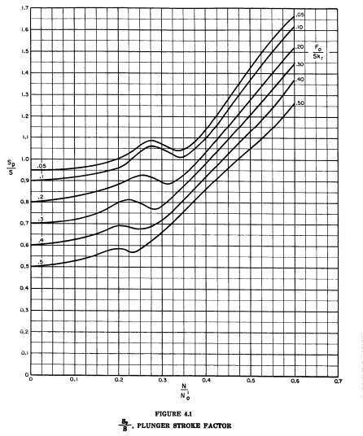
Curva 0.5
Punto | x | y | m | b | ecuación | intervalo | switch | variable
1 | 0 | 0.5 | 0.2 | 0.5 | y=0.2*x+0.5 | [0, 0.05) | if x>=0 and x<0.05:y=0.2*x+0.5 | x
2 | 0.05 | 0.51 | 0.4 | 0.49 | y=0.4*x+0.49 | [0.05, 0.1) | elif x>=0.05 and x<0.1:y=0.4*x+0.49 | x
3 | 0.1 | 0.53 | 0.6 | 0.47 | y=0.6*x+0.47 | [0.1, 0.15) | elif x>=0.1 and x<0.15:y=0.6*x+0.47 | x
4 | 0.15 | 0.56 | 0.54 | 0.479 | y=0.54*x+0.479 | [0.15, 0.2) | elif x>=0.15 and x<0.2:y=0.54*x+0.479 | x
5 | 0.2 | 0.587 | -0.68 | 0.723 | y=-0.68*x+0.723 | [0.2, 0.225) | elif x>=0.2 and x<0.225:y=-0.68*x+0.723 | x
 | 0.225 | 0.57 | 0.4 | 0.48 | y=0.4*x+0.48 | [0.225, 0.25) | elif x>=0.225 and x<0.25:y=0.4*x+0.48 | x
6 | 0.25 | 0.58 | 1.73 | 0.148 | y=1.73*x+0.148 | [0.25, 0.325) | elif x>=0.25 and x<0.325:y=1.73*x+0.148 | x
 | 0.325 | 0.71 | 1.91 | 0.089 | y=1.91*x+0.089 | [0.325, 0.55) | elif x>=0.325 and x<0.55:y=1.91*x+0.089 | x
 | 0.55 | 1.14 | 2.2 | -0.07 | y=2.2*x-0.07 | [0.55, 0.6) | elif x>=0.55 and x<0.6:y=2.2*x-0.07 | x
7 | 0.6 | 1.25

Curva 0.05
Punto | x | y | m | b | ecuación | intervalo | switch | variable
1 | 0 | 0.95 | 0.02 | 0.95 | y=0.02*x+0.95 | [0, 0.05) | if x>=0 and x<0.05:y=0.02*x+0.95 | x
2 | 0.05 | 0.951 | 0.14 | 0.944 | y=0.14*x+0.944 | [0.05, 0.1) | elif x>=0.05 and x<0.1:y=0.14*x+0.944 | x
3 | 0.1 | 0.958 | 0.28 | 0.93 | y=0.28*x+0.93 | [0.1, 0.15) | elif x>=0.1 and x<0.15:y=0.28*x+0.93 | x
4 | 0.15 | 0.972 | 0.56 | 0.888 | y=0.56*x+0.888 | [0.15, 0.2) | elif x>=0.15 and x<0.2:y=0.56*x+0.888 | x
5 | 0.2 | 1 | 1.3 | 0.74 | y=1.3*x+0.74 | [0.2, 0.25) | elif x>=0.2 and x<0.25:y=1.3*x+0.74 | x
6 | 0.25 | 1.065 | 1 | 0.815 | y=1*x+0.815 | [0.25, 0.275) | elif x>=0.25 and x<0.275:y=1*x+0.815 | x
7 | 0.275 | 1.09 | -0.8 | 1.31 | y=-0.8*x+1.31 | [0.275, 0.3) | elif x>=0.275 and x<0.3:y=-0.8*x+1.31 | x
8 | 0.3 | 1.07 | -1.16 | 1.418 | y=-1.16*x+1.418 | [0.3, 0.325) | elif x>=0.3 and x<0.325:y=-1.16*x+1.418 | x
9 | 0.325 | 1.041 | -0.04 | 1.054 | y=-0.04*x+1.054 | [0.325, 0.35) | elif x>=0.325 and x<0.35:y=-0.04*x+1.054 | x
10 | 0.35 | 1.04 | 1.6 | 0.48 | y=1.6*x+0.48 | [0.35, 0.375) | elif x>=0.35 and x<0.375:y=1.6*x+0.48 | x
11 | 0.375 | 1.08 | 2.48 | 0.15 | y=2.48*x+0.15 | [0.375, 0.4) | elif x>=0.375 and x<0.4:y=2.48*x+0.15 | x
12 | 0.4 | 1.142 | 2.78 | 0.03 | y=2.78*x+0.03 | [0.4, 0.5) | elif x>=0.4 and x<0.5:y=2.78*x+0.03 | x
13 | 0.5 | 1.42 | 2.6 | 0.12 | y=2.6*x+0.12 | [0.5, 0.55) | elif x>=0.5 and x<0.55:y=2.6*x+0.12 | x
14 | 0.55 | 1.55 | 2.2 | 0.34 | y=2.2*x+0.34 | [0.55, 0.6) | elif x>=0.55 and x<0.6:y=2.2*x+0.34 | x
15 | 0.6 | 1.66

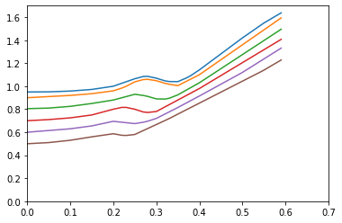
Curva 0.4
Punto | x | y | m | b | ecuación | intervalo | switch | variable
1 | 0 | 0.6 | 0.3 | 0.6 | y=0.3*x+0.6 | [0, 0.05) | if x>=0 and x<0.05:y=0.3*x+0.6 | x
2 | 0.05 | 0.615 | 0.3 | 0.6 | y=0.3*x+0.6 | [0.05, 0.1) | elif x>=0.05 and x<0.1:y=0.3*x+0.6 | x | Plot python
3 | 0.1 | 0.63 | 0.5 | 0.58 | y=0.5*x+0.58 | [0.1, 0.15) | elif x>=0.1 and x<0.15:y=0.5*x+0.58 | x
4 | 0.15 | 0.655 | 0.8 | 0.535 | y=0.8*x+0.535 | [0.15, 0.2) | elif x>=0.15 and x<0.2:y=0.8*x+0.535 | x
5 | 0.2 | 0.695 | -0.4 | 0.775 | y=-0.4*x+0.775 | [0.2, 0.25) | elif x>=0.2 and x<0.25:y=-0.4*x+0.775 | x
6 | 0.25 | 0.675 | 0.6 | 0.525 | y=0.6*x+0.525 | [0.25, 0.275) | elif x>=0.25 and x<0.275:y=0.6*x+0.525 | x
7 | 0.275 | 0.69 | 1.2 | 0.36 | y=1.2*x+0.36 | [0.275, 0.3) | elif x>=0.275 and x<0.3:y=1.2*x+0.36 | x
8 | 0.3 | 0.72 | 1.9 | 0.15 | y=1.9*x+0.15 | [0.3, 0.35) | elif x>=0.3 and x<0.35:y=1.9*x+0.15 | x
9 | 0.35 | 0.815 | 2 | 0.115 | y=2*x+0.115 | [0.35, 0.4) | elif x>=0.35 and x<0.4:y=2*x+0.115 | x
10 | 0.4 | 0.915 | 2.05 | 0.095 | y=2.05*x+0.095 | [0.4, 0.5) | elif x>=0.4 and x<0.5:y=2.05*x+0.095 | x
11 | 0.5 | 1.12 | 2.35 | -0.055 | y=2.35*x-0.055 | [0.5, 0.6) | elif x>=0.5 and x<0.6:y=2.35*x-0.055 | x
12 | 0.6 | 1.355

Curva 0.2
Punto | x | y | m | b | ecuación | intervalo | switch | variable
1 | 0 | 0.805 | 0.1 | 0.805 | y=0.1*x+0.805 | [0, 0.05) | if x>=0 and x<0.05:y=0.1*x+0.805 | x
2 | 0.05 | 0.81 | 0.3 | 0.795 | y=0.3*x+0.795 | [0.05, 0.1) | elif x>=0.05 and x<0.1:y=0.3*x+0.795 | x
3 | 0.1 | 0.825 | 0.5 | 0.775 | y=0.5*x+0.775 | [0.1, 0.15) | elif x>=0.1 and x<0.15:y=0.5*x+0.775 | x
4 | 0.15 | 0.85 | 0.6 | 0.76 | y=0.6*x+0.76 | [0.15, 0.2) | elif x>=0.15 and x<0.2:y=0.6*x+0.76 | x
5 | 0.2 | 0.88 | 1 | 0.68 | y=1*x+0.68 | [0.2, 0.25) | elif x>=0.2 and x<0.25:y=1*x+0.68 | x
6 | 0.25 | 0.93 | -0.52 | 1.06 | y=-0.52*x+1.06 | [0.25, 0.275) | elif x>=0.25 and x<0.275:y=-0.52*x+1.06 | x
7 | 0.275 | 0.917 | -1.08 | 1.214 | y=-1.08*x+1.214 | [0.275, 0.3) | elif x>=0.275 and x<0.3:y=-1.08*x+1.214 | x
8 | 0.3 | 0.89 | -0.08 | 0.914 | y=-0.08*x+0.914 | [0.3, 0.325) | elif x>=0.3 and x<0.325:y=-0.08*x+0.914 | x
9 | 0.325 | 0.888 | 1.48 | 0.407 | y=1.48*x+0.407 | [0.325, 0.35) | elif x>=0.325 and x<0.35:y=1.48*x+0.407 | x
10 | 0.35 | 0.925 | 2.1 | 0.19 | y=2.1*x+0.19 | [0.35, 0.4) | elif x>=0.35 and x<0.4:y=2.1*x+0.19 | x
11 | 0.4 | 1.03 | 2.45 | 0.05 | y=2.45*x+0.05 | [0.4, 0.6) | elif x>=0.4 and x<0.6:y=2.45*x+0.05 | x
12 | 0.6 | 1.52

Curva 0.3
Punto | x | y | m | b | ecuación | intervalo | switch | variable
1 | 0 | 0.7 | 0.2 | 0.7 | y=0.2*x+0.7 | [0, 0.05) | if x>=0 and x<0.05:y=0.2*x+0.7 | x
2 | 0.05 | 0.71 | 0.3 | 0.695 | y=0.3*x+0.695 | [0.05, 0.1) | elif x>=0.05 and x<0.1:y=0.3*x+0.695 | x
3 | 0.1 | 0.725 | 0.5 | 0.675 | y=0.5*x+0.675 | [0.1, 0.15) | elif x>=0.1 and x<0.15:y=0.5*x+0.675 | x
4 | 0.15 | 0.75 | 1 | 0.6 | y=1*x+0.6 | [0.15, 0.2) | elif x>=0.15 and x<0.2:y=1*x+0.6 | x
5 | 0.2 | 0.8 | 0.8 | 0.64 | y=0.8*x+0.64 | [0.2, 0.225) | elif x>=0.2 and x<0.225:y=0.8*x+0.64 | x
 | 0.225 | 0.82 | -0.8 | 1 | y=-0.8*x+1 | [0.225, 0.25) | elif x>=0.225 and x<0.25:y=-0.8*x+1 | x
6 | 0.25 | 0.8 | -1.2 | 1.1 | y=-1.2*x+1.1 | [0.25, 0.275) | elif x>=0.25 and x<0.275:y=-1.2*x+1.1 | x
7 | 0.275 | 0.77 | 0.4 | 0.66 | y=0.4*x+0.66 | [0.275, 0.3) | elif x>=0.275 and x<0.3:y=0.4*x+0.66 | x
8 | 0.3 | 0.78 | 2 | 0.18 | y=2*x+0.18 | [0.3, 0.35) | elif x>=0.3 and x<0.35:y=2*x+0.18 | x
9 | 0.35 | 0.88 | 2 | 0.18 | y=2*x+0.18 | [0.35, 0.4) | elif x>=0.35 and x<0.4:y=2*x+0.18 | x
10 | 0.4 | 0.98 | 2.25 | 0.08 | y=2.25*x+0.08 | [0.4, 0.6) | elif x>=0.4 and x<0.6:y=2.25*x+0.08 | x
11 | 0.6 | 1.43

Curva 0.1
Punto | x | y | m | b | ecuación | intervalo | switch | variable
1 | 0 | 0.9 | 0.2 | 0.9 | y=0.2*x+0.9 | [0, 0.05) | if x>=0 and x<0.05:y=0.2*x+0.9 | x
2 | 0.05 | 0.91 | 0.2 | 0.9 | y=0.2*x+0.9 | [0.05, 0.1) | elif x>=0.05 and x<0.1:y=0.2*x+0.9 | x
3 | 0.1 | 0.92 | 0.3 | 0.89 | y=0.3*x+0.89 | [0.1, 0.15) | elif x>=0.1 and x<0.15:y=0.3*x+0.89 | x
4 | 0.15 | 0.935 | 0.5 | 0.86 | y=0.5*x+0.86 | [0.15, 0.2) | elif x>=0.15 and x<0.2:y=0.5*x+0.86 | x
5 | 0.2 | 0.96 | 1.2 | 0.72 | y=1.2*x+0.72 | [0.2, 0.225) | elif x>=0.2 and x<0.225:y=1.2*x+0.72 | x
 | 0.225 | 0.99 | 1.92 | 0.558 | y=1.92*x+0.558 | [0.225, 0.25) | elif x>=0.225 and x<0.25:y=1.92*x+0.558 | x
6 | 0.25 | 1.038 | 1 | 0.788 | y=1*x+0.788 | [0.25, 0.275) | elif x>=0.25 and x<0.275:y=1*x+0.788 | x
7 | 0.275 | 1.063 | -0.6 | 1.228 | y=-0.6*x+1.228 | [0.275, 0.3) | elif x>=0.275 and x<0.3:y=-0.6*x+1.228 | x
8 | 0.3 | 1.048 | -1.12 | 1.384 | y=-1.12*x+1.384 | [0.3, 0.325) | elif x>=0.3 and x<0.325:y=-1.12*x+1.384 | x
 | 0.325 | 1.02 | -0.6 | 1.215 | y=-0.6*x+1.215 | [0.325, 0.35) | elif x>=0.325 and x<0.35:y=-0.6*x+1.215 | x
9 | 0.35 | 1.005 | 1.9 | 0.34 | y=1.9*x+0.34 | [0.35, 0.4) | elif x>=0.35 and x<0.4:y=1.9*x+0.34 | x
10 | 0.4 | 1.1 | 2.6 | 0.06 | y=2.6*x+0.06 | [0.4, 0.6) | elif x>=0.4 and x<0.6:y=2.6*x+0.06 | x
11 | 0.6 | 1.62

Gráfica 4.2
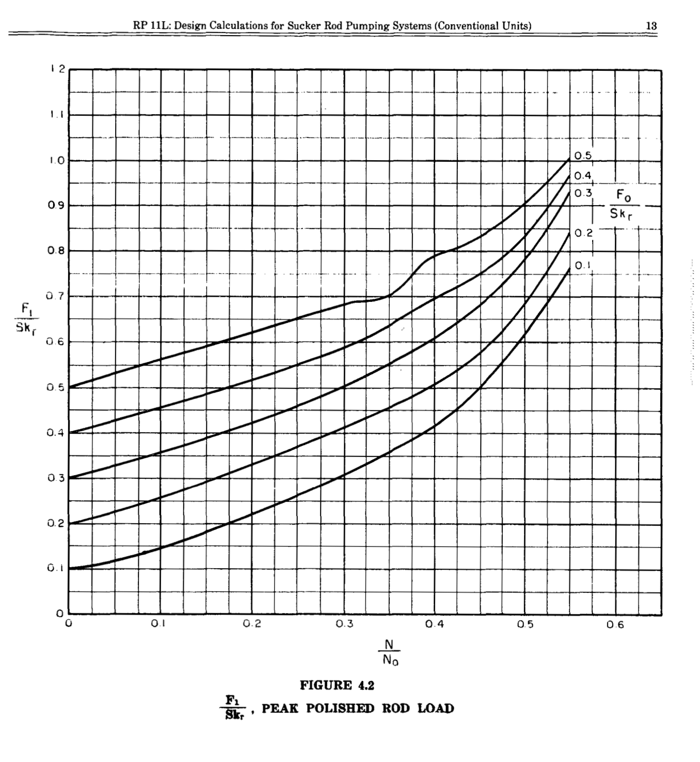
Curva 0.1
Punto | x | y | m | b | ecuación | intervalo | switch | variable
1 | 0 | 0.1 | 0.36 | 0.1 | y=0.36*x+0.1 | [0, 0.05) | if 0<=x<0.05:y=0.36*x+0.1 | x
2 | 0.05 | 0.118 | 0.58 | 0.089 | y=0.58*x+0.089 | [0.05, 0.1) | elif 0.05<=x<0.1:y=0.58*x+0.089 | x
3 | 0.1 | 0.147 | 0.68 | 0.079 | y=0.68*x+0.079 | [0.1, 0.15) | elif 0.1<=x<0.15:y=0.68*x+0.079 | x
4 | 0.15 | 0.181 | 0.78 | 0.064 | y=0.78*x+0.064 | [0.15, 0.2) | elif 0.15<=x<0.2:y=0.78*x+0.064 | x
5 | 0.2 | 0.22 | 0.82 | 0.056 | y=0.82*x+0.056 | [0.2, 0.25) | elif 0.2<=x<0.25:y=0.82*x+0.056 | x
6 | 0.25 | 0.261 | 0.88 | 0.041 | y=0.88*x+0.041 | [0.25, 0.3) | elif 0.25<=x<0.3:y=0.88*x+0.041 | x
7 | 0.3 | 0.305 | 1.04 | -0.007 | y=1.04*x-0.007 | [0.3, 0.35) | elif 0.3<=x<0.35:y=1.04*x-0.007 | x
8 | 0.35 | 0.357 | 1.1 | -0.028 | y=1.1*x-0.028 | [0.35, 0.4) | elif 0.35<=x<0.4:y=1.1*x-0.028 | x
9 | 0.4 | 0.412 | 1.66 | -0.252 | y=1.66*x-0.252 | [0.4, 0.45) | elif 0.4<=x<0.45:y=1.66*x-0.252 | x
10 | 0.45 | 0.495 | 2.46 | -0.612 | y=2.46*x-0.612 | [0.45, 0.5) | elif 0.45<=x<0.5:y=2.46*x-0.612 | x
11 | 0.5 | 0.618 | 2.84 | -0.802 | y=2.84*x-0.802 | [0.5, 0.55) | elif 0.5<=x<0.55:y=2.84*x-0.802 | x
12 | 0.55 | 0.76

Curva 0.2
Punto | x | y | m | b | ecuación | intervalo | switch | variable
1 | 0 | 0.2 | 0.5 | 0.2 | y=0.5*x+0.2 | [0, 0.05) | if 0<=x<0.05:y=0.5*x+0.2 | x
2 | 0.05 | 0.225 | 0.6 | 0.195 | y=0.6*x+0.195 | [0.05, 0.1) | elif 0.05<=x<0.1:y=0.6*x+0.195 | x
3 | 0.1 | 0.255 | 0.74 | 0.181 | y=0.74*x+0.181 | [0.1, 0.15) | elif 0.1<=x<0.15:y=0.74*x+0.181 | x
4 | 0.15 | 0.292 | 0.74 | 0.181 | y=0.74*x+0.181 | [0.15, 0.2) | elif 0.15<=x<0.2:y=0.74*x+0.181 | x
5 | 0.2 | 0.329 | 0.78 | 0.173 | y=0.78*x+0.173 | [0.2, 0.25) | elif 0.2<=x<0.25:y=0.78*x+0.173 | x
6 | 0.25 | 0.368 | 0.84 | 0.158 | y=0.84*x+0.158 | [0.25, 0.3) | elif 0.25<=x<0.3:y=0.84*x+0.158 | x
7 | 0.3 | 0.41 | 0.9 | 0.14 | y=0.9*x+0.14 | [0.3, 0.35) | elif 0.3<=x<0.35:y=0.9*x+0.14 | x
8 | 0.35 | 0.455 | 1 | 0.105 | y=1*x+0.105 | [0.35, 0.4) | elif 0.35<=x<0.4:y=1*x+0.105 | x
9 | 0.4 | 0.505 | 1.38 | -0.047 | y=1.38*x-0.047 | [0.4, 0.45) | elif 0.4<=x<0.45:y=1.38*x-0.047 | x
10 | 0.45 | 0.574 | 2.2 | -0.416 | y=2.2*x-0.416 | [0.45, 0.5) | elif 0.45<=x<0.5:y=2.2*x-0.416 | x
11 | 0.5 | 0.684 | 3.08 | -0.856 | y=3.08*x-0.856 | [0.5, 0.55) | elif 0.5<=x<0.55:y=3.08*x-0.856 | x
12 | 0.55 | 0.838

Curva 0.3
Punto | x | y | m | b | ecuación | intervalo | switch | variable
1 | 0 | 0.3 | 0.54 | 0.3 | y=0.54*x+0.3 | [0, 0.05) | if 0<=x<0.05:y=0.54*x+0.3 | x
2 | 0.05 | 0.327 | 0.6 | 0.297 | y=0.6*x+0.297 | [0.05, 0.1) | elif 0.05<=x<0.1:y=0.6*x+0.297 | x
3 | 0.1 | 0.357 | 0.62 | 0.295 | y=0.62*x+0.295 | [0.1, 0.15) | elif 0.1<=x<0.15:y=0.62*x+0.295 | x
4 | 0.15 | 0.388 | 0.7 | 0.283 | y=0.7*x+0.283 | [0.15, 0.2) | elif 0.15<=x<0.2:y=0.7*x+0.283 | x
5 | 0.2 | 0.423 | 0.7 | 0.283 | y=0.7*x+0.283 | [0.2, 0.25) | elif 0.2<=x<0.25:y=0.7*x+0.283 | x
6 | 0.25 | 0.458 | 0.88 | 0.238 | y=0.88*x+0.238 | [0.25, 0.3) | elif 0.25<=x<0.3:y=0.88*x+0.238 | x
7 | 0.3 | 0.502 | 0.96 | 0.214 | y=0.96*x+0.214 | [0.3, 0.35) | elif 0.3<=x<0.35:y=0.96*x+0.214 | x | python plot
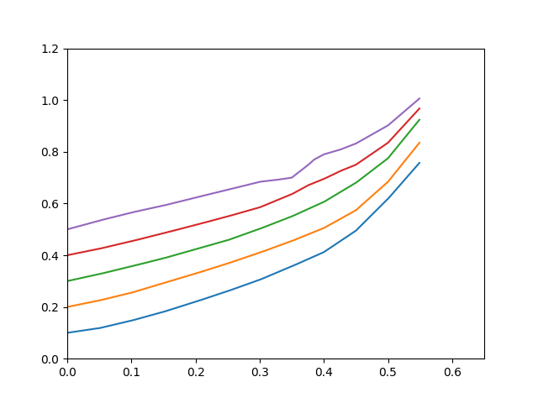
8 | 0.35 | 0.55 | 1.12 | 0.158 | y=1.12*x+0.158 | [0.35, 0.4) | elif 0.35<=x<0.4:y=1.12*x+0.158 | x
9 | 0.4 | 0.606 | 1.48 | 0.014 | y=1.48*x+0.014 | [0.4, 0.45) | elif 0.4<=x<0.45:y=1.48*x+0.014 | x
10 | 0.45 | 0.68 | 1.9 | -0.175 | y=1.9*x-0.175 | [0.45, 0.5) | elif 0.45<=x<0.5:y=1.9*x-0.175 | x
11 | 0.5 | 0.775 | 3.04 | -0.745 | y=3.04*x-0.745 | [0.5, 0.55) | elif 0.5<=x<0.55:y=3.04*x-0.745 | x
12 | 0.55 | 0.927

Curva 0.4
Punto | x | y | m | b | ecuación | intervalo | switch | variable
1 | 0 | 0.4 | 0.5 | 0.4 | y=0.5*x+0.4 | [0, 0.05) | if 0<=x<0.05:y=0.5*x+0.4 | x
2 | 0.05 | 0.425 | 0.58 | 0.396 | y=0.58*x+0.396 | [0.05, 0.1) | elif 0.05<=x<0.1:y=0.58*x+0.396 | x
3 | 0.1 | 0.454 | 0.62 | 0.392 | y=0.62*x+0.392 | [0.1, 0.15) | elif 0.1<=x<0.15:y=0.62*x+0.392 | x
4 | 0.15 | 0.485 | 0.64 | 0.389 | y=0.64*x+0.389 | [0.15, 0.2) | elif 0.15<=x<0.2:y=0.64*x+0.389 | x
5 | 0.2 | 0.517 | 0.66 | 0.385 | y=0.66*x+0.385 | [0.2, 0.25) | elif 0.2<=x<0.25:y=0.66*x+0.385 | x
6 | 0.25 | 0.55 | 0.7 | 0.375 | y=0.7*x+0.375 | [0.25, 0.3) | elif 0.25<=x<0.3:y=0.7*x+0.375 | x
7 | 0.3 | 0.585 | 1.02 | 0.279 | y=1.02*x+0.279 | [0.3, 0.35) | elif 0.3<=x<0.35:y=1.02*x+0.279 | x
8 | 0.35 | 0.636 | 1.36 | 0.16 | y=1.36*x+0.16 | [0.35, 0.375) | elif 0.35<=x<0.375:y=1.36*x+0.16 | x
9 | 0.375 | 0.67 | 1 | 0.295 | y=1*x+0.295 | [0.375, 0.4) | elif 0.375<=x<0.4:y=1*x+0.295 | x
10 | 0.4 | 0.695 | 1.2 | 0.215 | y=1.2*x+0.215 | [0.4, 0.425) | elif 0.4<=x<0.425:y=1.2*x+0.215 | x
11 | 0.425 | 0.725 | 1 | 0.3 | y=1*x+0.3 | [0.425, 0.45) | elif 0.425<=x<0.45:y=1*x+0.3 | x
12 | 0.45 | 0.75 | 1.7 | -0.015 | y=1.7*x-0.015 | [0.45, 0.5) | elif 0.45<=x<0.5:y=1.7*x-0.015 | x
13 | 0.5 | 0.835 | 2.7 | -0.515 | y=2.7*x-0.515 | [0.5, 0.55) | elif 0.5<=x<0.55:y=2.7*x-0.515 | x
14 | 0.55 | 0.97

Punto 0.5
Punto | x | y | m | b | ecuación | intervalo | switch | variable
1 | 0 | 0.5 | 0.68 | 0.5 | y=0.68*x+0.5 | [0, 0.05) | if 0<=x<0.05:y=0.68*x+0.5 | x
2 | 0.05 | 0.534 | 0.62 | 0.503 | y=0.62*x+0.503 | [0.05, 0.1) | elif 0.05<=x<0.1:y=0.62*x+0.503 | x
3 | 0.1 | 0.565 | 0.54 | 0.511 | y=0.54*x+0.511 | [0.1, 0.15) | elif 0.1<=x<0.15:y=0.54*x+0.511 | x
4 | 0.15 | 0.592 | 0.62 | 0.499 | y=0.62*x+0.499 | [0.15, 0.2) | elif 0.15<=x<0.2:y=0.62*x+0.499 | x
5 | 0.2 | 0.623 | 0.6 | 0.503 | y=0.6*x+0.503 | [0.2, 0.25) | elif 0.2<=x<0.25:y=0.6*x+0.503 | x
6 | 0.25 | 0.653 | 0.62 | 0.498 | y=0.62*x+0.498 | [0.25, 0.3) | elif 0.25<=x<0.3:y=0.62*x+0.498 | x
7 | 0.3 | 0.684 | 0.28 | 0.6 | y=0.28*x+0.6 | [0.3, 0.325) | elif 0.3<=x<0.325:y=0.28*x+0.6 | x
8 | 0.325 | 0.691 | 0.36 | 0.574 | y=0.36*x+0.574 | [0.325, 0.35) | elif 0.325<=x<0.35:y=0.36*x+0.574 | x
9 | 0.35 | 0.7 | 1.92 | 0.028 | y=1.92*x+0.028 | [0.35, 0.375) | elif 0.35<=x<0.375:y=1.92*x+0.028 | x
10 | 0.375 | 0.748 | 2.2 | -0.077 | y=2.2*x-0.077 | [0.375, 0.385) | elif 0.375<=x<0.385:y=2.2*x-0.077 | x
11 | 0.385 | 0.77 | 1.33 | 0.258 | y=1.33*x+0.258 | [0.385, 0.4) | elif 0.385<=x<0.4:y=1.33*x+0.258 | x
12 | 0.4 | 0.79 | 0.72 | 0.502 | y=0.72*x+0.502 | [0.4, 0.425) | elif 0.4<=x<0.425:y=0.72*x+0.502 | x
13 | 0.425 | 0.808 | 0.96 | 0.4 | y=0.96*x+0.4 | [0.425, 0.45) | elif 0.425<=x<0.45:y=0.96*x+0.4 | x
14 | 0.45 | 0.832 | 1.4 | 0.202 | y=1.4*x+0.202 | [0.45, 0.5) | elif 0.45<=x<0.5:y=1.4*x+0.202 | x
15 | 0.5 | 0.902 | 2.12 | -0.158 | y=2.12*x-0.158 | [0.5, 0.55) | elif 0.5<=x<0.55:y=2.12*x-0.158 | x
16 | 0.55 | 1.008

Gráfica 4.3
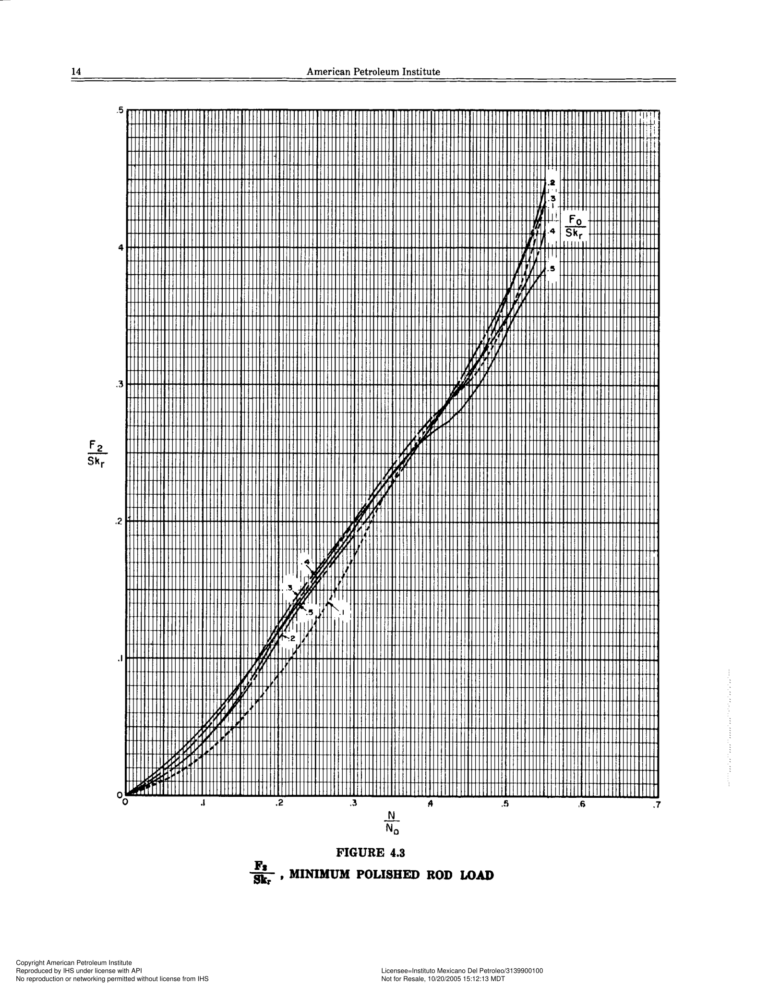
Curva 0.1
Punto | x | y | m | b | ecuación | intervalo | switch | variable
1 | 0 | 0 | 0.22 | 0 | y=0.22*x+0 | [0, 0.05) | if 0<=x<0.05:y=0.22*x+0 | x
 | Curva 0.1 |  | Curva 0.2 |  | Curva 0.3 |  | Curva 0.4 |  | Punto 0.5
0 | 0 | 0 | 0 | 0 | 0 | 0 | 0 | 0 | 0
0.05 | 0.011 | 0.05 | 0.015 | 0.05 | 0.019 | 0.05 | 0.016 | 0.025 | 0.012
0.1 | 0.029 | 0.1 | 0.038 | 0.1 | 0.045 | 0.075 | 0.026 | 0.05 | 0.023
0.15 | 0.055 | 0.15 | 0.07 | 0.15 | 0.08 | 0.1 | 0.039 | 0.075 | 0.036
0.2 | 0.089 | 0.2 | 0.113 | 0.2 | 0.126 | 0.125 | 0.055 | 0.1 | 0.05
0.25 | 0.127 | 0.225 | 0.137 | 0.225 | 0.147 | 0.15 | 0.074 | 0.125 | 0.066
0.3 | 0.175 | 0.25 | 0.155 | 0.25 | 0.166 | 0.175 | 0.096 | 0.15 | 0.083
0.325 | 0.204 | 0.3 | 0.191 | 0.3 | 0.202 | 0.2 | 0.12 | 0.175 | 0.102
0.35 | 0.23 | 0.35 | 0.228 | 0.35 | 0.242 | 0.225 | 0.143 | 0.2 | 0.121
0.4 | 0.273 | 0.4 | 0.268 | 0.4 | 0.276 | 0.25 | 0.162 | 0.225 | 0.14
0.45 | 0.302 | 0.45 | 0.315 | 0.425 | 0.289 | 0.3 | 0.2 | 0.25 | 0.158
0.475 | 0.322 | 0.5 | 0.366 | 0.45 | 0.306 | 0.325 | 0.218 | 0.275 | 0.177
0.5 | 0.347 | 0.525 | 0.398 | 0.475 | 0.331 | 0.35 | 0.236 | 0.3 | 0.196
0.525 | 0.382 | 0.55 | 0.444 | 0.5 | 0.365 | 0.375 | 0.253 | 0.325 | 0.218
0.55 | 0.432 |  |  | 0.525 | 0.399 | 0.4 | 0.268 | 0.35 | 0.236
 |  |  |  | 0.55 | 0.432 | 0.425 | 0.289 | 0.375 | 0.252
 |  |  |  |  |  | 0.45 | 0.309 | 0.385 | 0.259
 |  |  |  |  |  | 0.475 | 0.328 | 0.4 | 0.265
 |  |  |  |  |  | 0.5 | 0.35 | 0.425 | 0.274
 |  |  |  |  |  | 0.525 | 0.373 | 0.45 | 0.289
 |  |  |  |  |  | 0.55 | 0.411 | 0.475 | 0.311
 |  |  |  |  |  |  |  | 0.5 | 0.339
 |  |  |  |  |  |  |  | 0.525 | 0.365
 |  |  |  |  |  |  |  | 0.55 | 0.385
2 | 0.05 | 0.011 | 0.36 | -0.007 | y=0.36*x-0.007 | [0.05, 0.1) | elif 0.05<=x<0.1:y=0.36*x-0.007 | x
3 | 0.1 | 0.029 | 0.52 | -0.023 | y=0.52*x-0.023 | [0.1, 0.15) | elif 0.1<=x<0.15:y=0.52*x-0.023 | x
4 | 0.15 | 0.055 | 0.68 | -0.047 | y=0.68*x-0.047 | [0.15, 0.2) | elif 0.15<=x<0.2:y=0.68*x-0.047 | x
5 | 0.2 | 0.089 | 0.76 | -0.063 | y=0.76*x-0.063 | [0.2, 0.25) | elif 0.2<=x<0.25:y=0.76*x-0.063 | x
6 | 0.25 | 0.127 | 0.96 | -0.113 | y=0.96*x-0.113 | [0.25, 0.3) | elif 0.25<=x<0.3:y=0.96*x-0.113 | x
7 | 0.3 | 0.175 | 1.16 | -0.173 | y=1.16*x-0.173 | [0.3, 0.325) | elif 0.3<=x<0.325:y=1.16*x-0.173 | x
8 | 0.325 | 0.204 | 1.04 | -0.134 | y=1.04*x-0.134 | [0.325, 0.35) | elif 0.325<=x<0.35:y=1.04*x-0.134 | x
9 | 0.35 | 0.23 | 0.86 | -0.071 | y=0.86*x-0.071 | [0.35, 0.4) | elif 0.35<=x<0.4:y=0.86*x-0.071 | x
10 | 0.4 | 0.273 | 0.58 | 0.041 | y=0.58*x+0.041 | [0.4, 0.45) | elif 0.4<=x<0.45:y=0.58*x+0.041 | x
11 | 0.45 | 0.302 | 0.8 | -0.058 | y=0.8*x-0.058 | [0.45, 0.475) | elif 0.45<=x<0.475:y=0.8*x-0.058 | x
12 | 0.475 | 0.322 | 1 | -0.153 | y=1*x-0.153 | [0.475, 0.5) | elif 0.475<=x<0.5:y=1*x-0.153 | x
13 | 0.5 | 0.347 | 1.4 | -0.353 | y=1.4*x-0.353 | [0.5, 0.525) | elif 0.5<=x<0.525:y=1.4*x-0.353 | x
14 | 0.525 | 0.382 | 2 | -0.668 | y=2*x-0.668 | [0.525, 0.55) | elif 0.525<=x<0.55:y=2*x-0.668 | x
15 | 0.55 | 0.432

Curva 0.2
Punto | x | y | m | b | ecuación | intervalo | switch | variable
1 | 0 | 0 | 0.3 | 0 | y=0.3*x+0 | [0, 0.05) | if 0<=x<0.05:y=0.3*x+0 | x
2 | 0.05 | 0.015 | 0.46 | -0.008 | y=0.46*x-0.008 | [0.05, 0.1) | elif 0.05<=x<0.1:y=0.46*x-0.008 | x
3 | 0.1 | 0.038 | 0.64 | -0.026 | y=0.64*x-0.026 | [0.1, 0.15) | elif 0.1<=x<0.15:y=0.64*x-0.026 | x
4 | 0.15 | 0.07 | 0.86 | -0.059 | y=0.86*x-0.059 | [0.15, 0.2) | elif 0.15<=x<0.2:y=0.86*x-0.059 | x
5 | 0.2 | 0.113 | 0.96 | -0.079 | y=0.96*x-0.079 | [0.2, 0.225) | elif 0.2<=x<0.225:y=0.96*x-0.079 | x
6 | 0.225 | 0.137 | 0.72 | -0.025 | y=0.72*-0.025 | [0.225, 0.25) | elif 0.225<=x<0.25:y=0.72*-0.025
7 | 0.25 | 0.155 | 0.72 | -0.025 | y=0.72*x-0.025 | [0.25, 0.3) | elif 0.25<=x<0.3:y=0.72*x-0.025 | x
8 | 0.3 | 0.191 | 0.74 | -0.031 | y=0.74*x-0.031 | [0.3, 0.35) | elif 0.3<=x<0.35:y=0.74*x-0.031 | x
9 | 0.35 | 0.228 | 0.8 | -0.052 | y=0.8*x-0.052 | [0.35, 0.4) | elif 0.35<=x<0.4:y=0.8*x-0.052 | x
10 | 0.4 | 0.268 | 0.94 | -0.108 | y=0.94*x-0.108 | [0.4, 0.45) | elif 0.4<=x<0.45:y=0.94*x-0.108 | x
11 | 0.45 | 0.315 | 1.02 | -0.144 | y=1.02*x-0.144 | [0.45, 0.5) | elif 0.45<=x<0.5:y=1.02*x-0.144 | x
12 | 0.5 | 0.366 | 1.28 | -0.274 | y=1.28*x-0.274 | [0.5, 0.525) | elif 0.5<=x<0.525:y=1.28*x-0.274 | x
13 | 0.525 | 0.398 | 1.84 | -0.568 | y=1.84*x-0.568 | [0.525, 0.55) | elif 0.525<=x<0.55:y=1.84*x-0.568 | x
14 | 0.55 | 0.444

Curva 0.3
Punto | x | y | m | b | ecuación | intervalo | switch | variable
1 | 0 | 0 | 0.38 | 0 | y=0.38*x+0 | [0, 0.05) | if 0<=x<0.05:y=0.38*x+0 | x
2 | 0.05 | 0.019 | 0.52 | -0.007 | y=0.52*x-0.007 | [0.05, 0.1) | elif 0.05<=x<0.1:y=0.52*x-0.007 | x
3 | 0.1 | 0.045 | 0.7 | -0.025 | y=0.7*x-0.025 | [0.1, 0.15) | elif 0.1<=x<0.15:y=0.7*x-0.025 | x
4 | 0.15 | 0.08 | 0.92 | -0.058 | y=0.92*x-0.058 | [0.15, 0.2) | elif 0.15<=x<0.2:y=0.92*x-0.058 | x
5 | 0.2 | 0.126 | 0.84 | -0.042 | y=0.84*x-0.042 | [0.2, 0.225) | elif 0.2<=x<0.225:y=0.84*x-0.042 | x
6 | 0.225 | 0.147 | 0.76 | -0.024 | y=0.76*x-0.024 | [0.225, 0.25) | elif 0.225<=x<0.25:y=0.76*x-0.024 | x
7 | 0.25 | 0.166 | 0.72 | -0.014 | y=0.72*x-0.014 | [0.25, 0.3) | elif 0.25<=x<0.3:y=0.72*x-0.014 | x
8 | 0.3 | 0.202 | 0.8 | -0.038 | y=0.8*x-0.038 | [0.3, 0.35) | elif 0.3<=x<0.35:y=0.8*x-0.038 | x
9 | 0.35 | 0.242 | 0.68 | 0.004 | y=0.68*x+0.004 | [0.35, 0.4) | elif 0.35<=x<0.4:y=0.68*x+0.004 | x
10 | 0.4 | 0.276 | 0.52 | 0.068 | y=0.52*x+0.068 | [0.4, 0.425) | elif 0.4<=x<0.425:y=0.52*x+0.068 | x
11 | 0.425 | 0.289 | 0.68 | 0 | y=0.68*x+0 | [0.425, 0.45) | elif 0.425<=x<0.45:y=0.68*x+0 | x
12 | 0.45 | 0.306 | 1 | -0.144 | y=1*x-0.144 | [0.45, 0.475) | elif 0.45<=x<0.475:y=1*x-0.144 | x
13 | 0.475 | 0.331 | 1.36 | -0.315 | y=1.36*x-0.315 | [0.475, 0.5) | elif 0.475<=x<0.5:y=1.36*x-0.315 | x
14 | 0.5 | 0.365 | 1.36 | -0.315 | y=1.36*x-0.315 | [0.5, 0.525) | elif 0.5<=x<0.525:y=1.36*x-0.315 | x
15 | 0.525 | 0.399 | 1.32 | -0.294 | y=1.32*x-0.294 | [0.525, 0.55) | elif 0.525<=x<0.55:y=1.32*x-0.294 | x
16 | 0.55 | 0.432

Curva 0.4
Punto | x | y | m | b | ecuación | intervalo | switch | variable
1 | 0 | 0 | 0.32 | 0 | y=0.32*x+0 | [0, 0.05) | if 0<=x<0.05:y=0.32*x+0 | x
2 | 0.05 | 0.016 | 0.4 | -0.004 | y=0.4*x-0.004 | [0.05, 0.075) | elif 0.05<=x<0.075:y=0.4*x-0.004 | x
3 | 0.075 | 0.026 | 0.52 | -0.013 | y=0.52*x-0.013 | [0.075, 0.1) | elif 0.075<=x<0.1:y=0.52*x-0.013 | x
4 | 0.1 | 0.039 | 0.64 | -0.025 | y=0.64*x-0.025 | [0.1, 0.125) | elif 0.1<=x<0.125:y=0.64*x-0.025 | x
5 | 0.125 | 0.055 | 0.76 | -0.04 | y=0.76*x-0.04 | [0.125, 0.15) | elif 0.125<=x<0.15:y=0.76*x-0.04 | x
6 | 0.15 | 0.074 | 0.88 | -0.058 | y=0.88*x-0.058 | [0.15, 0.175) | elif 0.15<=x<0.175:y=0.88*x-0.058 | x
7 | 0.175 | 0.096 | 0.96 | -0.072 | y=0.96*x-0.072 | [0.175, 0.2) | elif 0.175<=x<0.2:y=0.96*x-0.072 | x
8 | 0.2 | 0.12 | 0.92 | -0.064 | y=0.92*x-0.064 | [0.2, 0.225) | elif 0.2<=x<0.225:y=0.92*x-0.064 | x
9 | 0.225 | 0.143 | 0.76 | -0.028 | y=0.76*x-0.028 | [0.225, 0.25) | elif 0.225<=x<0.25:y=0.76*x-0.028 | x
10 | 0.25 | 0.162 | 0.76 | -0.028 | y=0.76*x-0.028 | [0.25, 0.3) | elif 0.25<=x<0.3:y=0.76*x-0.028 | x
11 | 0.3 | 0.2 | 0.72 | -0.016 | y=0.72*x-0.016 | [0.3, 0.325) | elif 0.3<=x<0.325:y=0.72*x-0.016 | x
12 | 0.325 | 0.218 | 0.72 | -0.016 | y=0.72*x-0.016 | [0.325, 0.35) | elif 0.325<=x<0.35:y=0.72*x-0.016 | x
13 | 0.35 | 0.236 | 0.68 | -0.002 | y=0.68*x-0.002 | [0.35, 0.375) | elif 0.35<=x<0.375:y=0.68*x-0.002 | x
14 | 0.375 | 0.253 | 0.6 | 0.028 | y=0.6*x+0.028 | [0.375, 0.4) | elif 0.375<=x<0.4:y=0.6*x+0.028 | x
15 | 0.4 | 0.268 | 0.84 | -0.068 | y=0.84*x-0.068 | [0.4, 0.425) | elif 0.4<=x<0.425:y=0.84*x-0.068 | x
16 | 0.425 | 0.289 | 0.8 | -0.051 | y=0.8*x-0.051 | [0.425, 0.45) | elif 0.425<=x<0.45:y=0.8*x-0.051 | x
17 | 0.45 | 0.309 | 0.76 | -0.033 | y=0.76*x-0.033 | [0.45, 0.475) | elif 0.45<=x<0.475:y=0.76*x-0.033 | x
18 | 0.475 | 0.328 | 0.88 | -0.09 | y=0.88*x-0.09 | [0.475, 0.5) | elif 0.475<=x<0.5:y=0.88*x-0.09 | x
19 | 0.5 | 0.35 | 0.92 | -0.11 | y=0.92*x-0.11 | [0.5, 0.525) | elif 0.5<=x<0.525:y=0.92*x-0.11 | x
20 | 0.525 | 0.373 | 1.52 | -0.425 | y=1.52*x-0.425 | [0.525, 0.55) | elif 0.525<=x<0.55:y=1.52*x-0.425 | x
21 | 0.55 | 0.411

Punto 0.5
Punto | x | y | m | b | ecuación | intervalo | switch | variable
1 | 0 | 0 | 0.48 | 0 | y=0.48*x+0 | [0, 0.025) | if 0<=x<0.025:y=0.48*x+0 | x
2 | 0.025 | 0.012 | 0.44 | 0.001 | y=0.44*x+0.001 | [0.025, 0.05) | elif 0.025<=x<0.05:y=0.44*x+0.001 | x
3 | 0.05 | 0.023 | 0.52 | -0.003 | y=0.52*x-0.003 | [0.05, 0.075) | elif 0.05<=x<0.075:y=0.52*x-0.003 | x
4 | 0.075 | 0.036 | 0.56 | -0.006 | y=0.56*x-0.006 | [0.075, 0.1) | elif 0.075<=x<0.1:y=0.56*x-0.006 | x
5 | 0.1 | 0.05 | 0.64 | -0.014 | y=0.64*x-0.014 | [0.1, 0.125) | elif 0.1<=x<0.125:y=0.64*x-0.014 | x
6 | 0.125 | 0.066 | 0.68 | -0.019 | y=0.68*x-0.019 | [0.125, 0.15) | elif 0.125<=x<0.15:y=0.68*x-0.019 | x
7 | 0.15 | 0.083 | 0.76 | -0.031 | y=0.76*x-0.031 | [0.15, 0.175) | elif 0.15<=x<0.175:y=0.76*x-0.031 | x
8 | 0.175 | 0.102 | 0.76 | -0.031 | y=0.76*x-0.031 | [0.175, 0.2) | elif 0.175<=x<0.2:y=0.76*x-0.031 | x
9 | 0.2 | 0.121 | 0.76 | -0.031 | y=0.76*x-0.031 | [0.2, 0.225) | elif 0.2<=x<0.225:y=0.76*x-0.031 | x
10 | 0.225 | 0.14 | 0.72 | -0.022 | y=0.72*x-0.022 | [0.225, 0.25) | elif 0.225<=x<0.25:y=0.72*x-0.022 | x
11 | 0.25 | 0.158 | 0.76 | -0.032 | y=0.76*x-0.032 | [0.25, 0.275) | elif 0.25<=x<0.275:y=0.76*x-0.032 | x
12 | 0.275 | 0.177 | 0.76 | -0.032 | y=0.76*x-0.032 | [0.275, 0.3) | elif 0.275<=x<0.3:y=0.76*x-0.032 | x
13 | 0.3 | 0.196 | 0.88 | -0.068 | y=0.88*x-0.068 | [0.3, 0.325) | elif 0.3<=x<0.325:y=0.88*x-0.068 | x
14 | 0.325 | 0.218 | 0.72 | -0.016 | y=0.72*x-0.016 | [0.325, 0.35) | elif 0.325<=x<0.35:y=0.72*x-0.016 | x
15 | 0.35 | 0.236 | 0.64 | 0.012 | y=0.64*x+0.012 | [0.35, 0.375) | elif 0.35<=x<0.375:y=0.64*x+0.012 | x
16 | 0.375 | 0.252 | 0.7 | -0.011 | y=0.7*x-0.011 | [0.375, 0.385) | elif 0.375<=x<0.385:y=0.7*x-0.011 | x
17 | 0.385 | 0.259 | 0.4 | 0.105 | y=0.4*x+0.105 | [0.385, 0.4) | elif 0.385<=x<0.4:y=0.4*x+0.105 | x
18 | 0.4 | 0.265 | 0.36 | 0.121 | y=0.36*x+0.121 | [0.4, 0.425) | elif 0.4<=x<0.425:y=0.36*x+0.121 | x
19 | 0.425 | 0.274 | 0.6 | 0.019 | y=0.6*x+0.019 | [0.425, 0.45) | elif 0.425<=x<0.45:y=0.6*x+0.019 | x
20 | 0.45 | 0.289 | 0.88 | -0.107 | y=0.88*x-0.107 | [0.45, 0.475) | elif 0.45<=x<0.475:y=0.88*x-0.107 | x
21 | 0.475 | 0.311 | 1.12 | -0.221 | y=1.12*x-0.221 | [0.475, 0.5) | elif 0.475<=x<0.5:y=1.12*x-0.221 | x
22 | 0.5 | 0.339 | 1.04 | -0.181 | y=1.04*x-0.181 | [0.5, 0.525) | elif 0.5<=x<0.525:y=1.04*x-0.181 | x
23 | 0.525 | 0.365 | 0.8 | -0.055 | y=0.8*x-0.055 | [0.525, 0.55) | elif 0.525<=x<0.55:y=0.8*x-0.055 | x
24 | 0.55 | 0.385

Gráfica 4.4
CURVA 0.1
puntos | x | y | m | b | ecuación | intervalo | switch | variable
1 | 0 | 0.09 | 0.2 | 0.09 | y=0.2*x+0.09 | [0, 0.05) | if 0<=x<0.05:y=0.2*x+0.09 | x
2 | 0.05 | 0.1 | 0.28 | 0.086 | y=0.28*x+0.086 | [0.05, 0.1) | elif 0.05<=x<0.1:y=0.28*x+0.086 | x
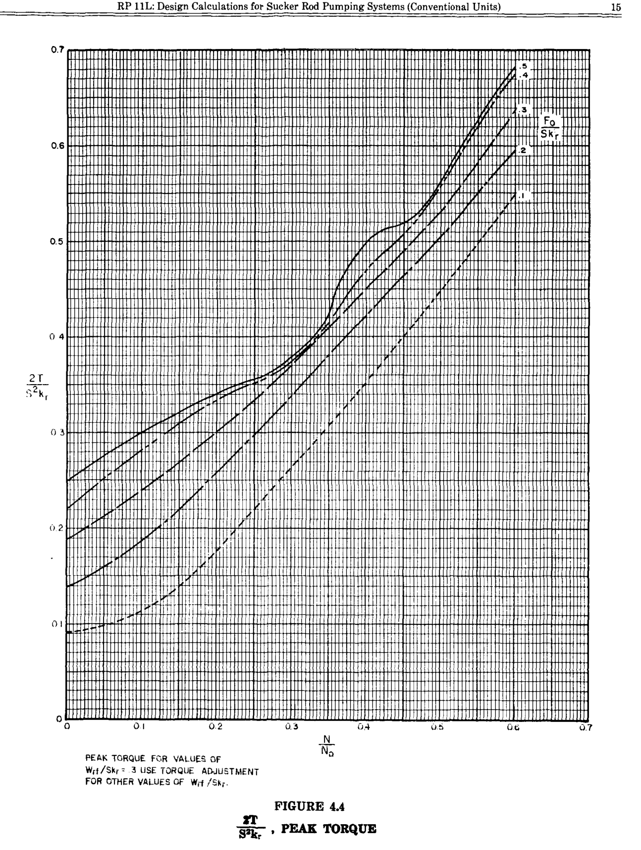
3 | 0.1 | 0.114 | 0.52 | 0.062 | y=0.52*x+0.062 | [0.1, 0.15) | elif 0.1<=x<0.15:y=0.52*x+0.062 | x
4 | 0.15 | 0.14 | 0.7 | 0.035 | y=0.7*x+0.035 | [0.15, 0.2) | elif 0.15<=x<0.2:y=0.7*x+0.035 | x
5 | 0.2 | 0.175 | 0.9 | -0.005 | y=0.9*x-0.005 | [0.2, 0.25) | elif 0.2<=x<0.25:y=0.9*x-0.005 | x
6 | 0.25 | 0.22 | 0.86 | 0.005 | y=0.86*x+0.005 | [0.25, 0.3) | elif 0.25<=x<0.3:y=0.86*x+0.005 | x
7 | 0.3 | 0.263 | 0.84 | 0.011 | y=0.84*x+0.011 | [0.3, 0.35) | elif 0.3<=x<0.35:y=0.84*x+0.011 | x
8 | 0.35 | 0.305 | 0.9 | -0.01 | y=0.9*x-0.01 | [0.35, 0.4) | elif 0.35<=x<0.4:y=0.9*x-0.01 | x
9 | 0.4 | 0.35 | 0.96 | -0.034 | y=0.96*x-0.034 | [0.4, 0.45) | elif 0.4<=x<0.45:y=0.96*x-0.034 | x
10 | 0.45 | 0.398 | 0.98 | -0.043 | y=0.98*x-0.043 | [0.45, 0.5) | elif 0.45<=x<0.5:y=0.98*x-0.043 | x
11 | 0.5 | 0.447 | 0.98 | -0.043 | y=0.98*x-0.043 | [0.5, 0.55) | elif 0.5<=x<0.55:y=0.98*x-0.043 | x
12 | 0.55 | 0.496 | 1.04 | -0.076 | y=1.04*x-0.076 | [0.55, 0.6) | elif 0.55<=x<0.6:y=1.04*x-0.076 | x
13 | 0.6 | 0.548

CURVA 0.2
puntos | x | y | m | b | ecuación | intervalo | switch | variable
1 | 0 | 0.139 | 0.42 | 0.139 | y=0.42*x+0.139 | [0, 0.05) | if 0<=x<0.05:y=0.42*x+0.139 | x
2 | 0.05 | 0.16 | 0.54 | 0.133 | y=0.54*x+0.133 | [0.05, 0.1) | elif 0.05<=x<0.1:y=0.54*x+0.133 | x
3 | 0.1 | 0.187 | 0.66 | 0.121 | y=0.66*x+0.121 | [0.1, 0.15) | elif 0.1<=x<0.15:y=0.66*x+0.121 | x
4 | 0.15 | 0.22 | 0.76 | 0.106 | y=0.76*x+0.106 | [0.15, 0.2) | elif 0.15<=x<0.2:y=0.76*x+0.106 | x
5 | 0.2 | 0.258 | 0.8 | 0.098 | y=0.8*x+0.098 | [0.2, 0.25) | elif 0.2<=x<0.25:y=0.8*x+0.098 | x
6 | 0.25 | 0.298 | 0.8 | 0.098 | y=0.8*x+0.098 | [0.25, 0.3) | elif 0.25<=x<0.3:y=0.8*x+0.098 | x
7 | 0.3 | 0.338 | 0.84 | 0.086 | y=0.84*x+0.086 | [0.3, 0.35) | elif 0.3<=x<0.35:y=0.84*x+0.086 | x
8 | 0.35 | 0.38 | 0.84 | 0.086 | y=0.84*x+0.086 | [0.35, 0.4) | elif 0.35<=x<0.4:y=0.84*x+0.086 | x
9 | 0.4 | 0.422 | 0.82 | 0.094 | y=0.82*x+0.094 | [0.4, 0.45) | elif 0.4<=x<0.45:y=0.82*x+0.094 | x
10 | 0.45 | 0.463 | 0.84 | 0.085 | y=0.84*x+0.085 | [0.45, 0.5) | elif 0.45<=x<0.5:y=0.84*x+0.085 | x
11 | 0.5 | 0.505 | 0.9 | 0.055 | y=0.9*x+0.055 | [0.5, 0.55) | elif 0.5<=x<0.55:y=0.9*x+0.055 | x
12 | 0.55 | 0.55 | 0.9 | 0.055 | y=0.9*x+0.055 | [0.55, 0.6) | elif 0.55<=x<0.6:y=0.9*x+0.055 | x
13 | 0.6 | 0.595

CURVA 0.3
puntos | x | y | m | b | ecuación | intervalo | switch | variable
1 | 0 | 0.189 | 0.5 | 0.189 | y=0.5*x+0.189 | [0, 0.05) | if 0<=x<0.05:y=0.5*x+0.189 | x
2 | 0.05 | 0.214 | 0.52 | 0.188 | y=0.52*x+0.188 | [0.05, 0.1) | elif 0.05<=x<0.1:y=0.52*x+0.188 | x
3 | 0.1 | 0.24 | 0.6 | 0.18 | y=0.6*x+0.18 | [0.1, 0.15) | elif 0.1<=x<0.15:y=0.6*x+0.18 | x
4 | 0.15 | 0.27 | 0.6 | 0.18 | y=0.6*x+0.18 | [0.15, 0.2) | elif 0.15<=x<0.2:y=0.6*x+0.18 | x
5 | 0.2 | 0.3 | 0.66 | 0.168 | y=0.66*x+0.168 | [0.2, 0.25) | elif 0.2<=x<0.25:y=0.66*x+0.168 | x
6 | 0.25 | 0.333 | 0.74 | 0.148 | y=0.74*x+0.148 | [0.25, 0.3) | elif 0.25<=x<0.3:y=0.74*x+0.148 | x
7 | 0.3 | 0.37 | 0.78 | 0.136 | y=0.78*x+0.136 | [0.3, 0.35) | elif 0.3<=x<0.35:y=0.78*x+0.136 | x
8 | 0.35 | 0.409 | 0.8 | 0.129 | y=0.8*x+0.129 | [0.35, 0.4) | elif 0.35<=x<0.4:y=0.8*x+0.129 | x
9 | 0.4 | 0.449 | 0.8 | 0.129 | y=0.8*x+0.129 | [0.4, 0.45) | elif 0.4<=x<0.45:y=0.8*x+0.129 | x
10 | 0.45 | 0.489 | 0.84 | 0.111 | y=0.84*x+0.111 | [0.45, 0.5) | elif 0.45<=x<0.5:y=0.84*x+0.111 | x
11 | 0.5 | 0.531 | 0.98 | 0.041 | y=0.98*x+0.041 | [0.5, 0.55) | elif 0.5<=x<0.55:y=0.98*x+0.041 | x
12 | 0.55 | 0.58 | 1.1 | -0.025 | y=1.1*x-0.025 | [0.55, 0.6) | elif 0.55<=x<0.6:y=1.1*x-0.025 | x
13 | 0.6 | 0.635

CURVA 0.4
puntos | x | y | m | b | ecuación | intervalo | switch | variable
1 | 0 | 0.22 | 0.66 | 0.22 | y=0.66*x+0.22 | [0, 0.05) | if 0<=x<0.05:y=0.66*x+0.22 | x
2 | 0.05 | 0.253 | 0.6 | 0.223 | y=0.6*x+0.223 | [0.05, 0.1) | elif 0.05<=x<0.1:y=0.6*x+0.223 | x
3 | 0.1 | 0.283 | 0.54 | 0.229 | y=0.54*x+0.229 | [0.1, 0.15) | elif 0.1<=x<0.15:y=0.54*x+0.229 | x
4 | 0.15 | 0.31 | 0.46 | 0.241 | y=0.46*x+0.241 | [0.15, 0.2) | elif 0.15<=x<0.2:y=0.46*x+0.241 | x
5 | 0.2 | 0.333 | 0.38 | 0.257 | y=0.38*x+0.257 | [0.2, 0.25) | elif 0.2<=x<0.25:y=0.38*x+0.257 | x
6 | 0.25 | 0.352 | 0.4 | 0.252 | y=0.4*x+0.252 | [0.25, 0.3) | elif 0.25<=x<0.3:y=0.4*x+0.252 | x
7 | 0.3 | 0.372 | 0.82 | 0.126 | y=0.82*x+0.126 | [0.3, 0.35) | elif 0.3<=x<0.35:y=0.82*x+0.126 | x
8 | 0.35 | 0.413 | 1.14 | 0.014 | y=1.14*x+0.014 | [0.35, 0.4) | elif 0.35<=x<0.4:y=1.14*x+0.014 | x
9 | 0.4 | 0.47 | 0.72 | 0.182 | y=0.72*x+0.182 | [0.4, 0.45) | elif 0.4<=x<0.45:y=0.72*x+0.182 | x
10 | 0.45 | 0.506 | 0.94 | 0.083 | y=0.94*x+0.083 | [0.45, 0.5) | elif 0.45<=x<0.5:y=0.94*x+0.083 | x
11 | 0.5 | 0.553 | 1.3 | -0.097 | y=1.3*x-0.097 | [0.5, 0.55) | elif 0.5<=x<0.55:y=1.3*x-0.097 | x
12 | 0.55 | 0.618 | 1.12 | 0.002 | y=1.12*x+0.002 | [0.55, 0.6) | elif 0.55<=x<0.6:y=1.12*x+0.002 | x
13 | 0.6 | 0.674

CURVA 0.5
puntos | x | y | m | b | ecuación | intervalo | switch | variable
1 | 0 | 0.248 | 0.56 | 0.248 | y=0.56*x+0.248 | [0, 0.05) | if 0<=x<0.05:y=0.56*x+0.248 | x
2 | 0.05 | 0.276 | 0.48 | 0.252 | y=0.48*x+0.252 | [0.05, 0.1) | elif 0.05<=x<0.1:y=0.48*x+0.252 | x
3 | 0.1 | 0.3 | 0.42 | 0.258 | y=0.42*x+0.258 | [0.1, 0.15) | elif 0.1<=x<0.15:y=0.42*x+0.258 | x
4 | 0.15 | 0.321 | 0.38 | 0.264 | y=0.38*x+0.264 | [0.15, 0.2) | elif 0.15<=x<0.2:y=0.38*x+0.264 | x
5 | 0.2 | 0.34 | 0.32 | 0.276 | y=0.32*x+0.276 | [0.2, 0.25) | elif 0.2<=x<0.25:y=0.32*x+0.276 | x
6 | 0.25 | 0.356 | 0.32 | 0.276 | y=0.32*x+0.276 | [0.25, 0.275) | elif 0.25<=x<0.275:y=0.32*x+0.276 | x
7 | 0.275 | 0.364 | 0.52 | 0.221 | y=0.52*x+0.221 | [0.275, 0.3) | elif 0.275<=x<0.3:y=0.52*x+0.221 | x | plot python
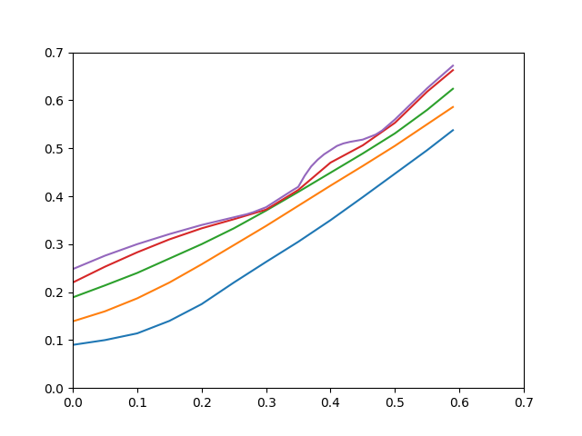
8 | 0.3 | 0.377 | 0.86 | 0.119 | y=0.86*x+0.119 | [0.3, 0.35) | elif 0.3<=x<0.35:y=0.86*x+0.119 | x
9 | 0.35 | 0.42 | 2.33 | -0.396 | y=2.33*x-0.396 | [0.35, 0.365) | elif 0.35<=x<0.365:y=2.33*x-0.396 | x
10 | 0.365 | 0.455 | 1.4 | -0.056 | y=1.4*x-0.056 | [0.365, 0.385) | elif 0.365<=x<0.385:y=1.4*x-0.056 | x
11 | 0.385 | 0.483 | 0.87 | 0.148 | y=0.87*x+0.148 | [0.385, 0.4) | elif 0.385<=x<0.4:y=0.87*x+0.148 | x
12 | 0.4 | 0.496 | 0.88 | 0.144 | y=0.88*x+0.144 | [0.4, 0.4125) | elif 0.4<=x<0.4125:y=0.88*x+0.144 | x
13 | 0.4125 | 0.507 | 0.4 | 0.342 | y=0.4*x+0.342 | [0.4125, 0.425) | elif 0.4125<=x<0.425:y=0.4*x+0.342 | x
14 | 0.425 | 0.512 | 0.24 | 0.41 | y=0.24*x+0.41 | [0.425, 0.45) | elif 0.425<=x<0.45:y=0.24*x+0.41 | x
15 | 0.45 | 0.518 | 0.52 | 0.284 | y=0.52*x+0.284 | [0.45, 0.475) | elif 0.45<=x<0.475:y=0.52*x+0.284 | x
16 | 0.475 | 0.531 | 1.16 | -0.02 | y=1.16*x-0.02 | [0.475, 0.5) | elif 0.475<=x<0.5:y=1.16*x-0.02 | x
17 | 0.5 | 0.56 | 1.3 | -0.09 | y=1.3*x-0.09 | [0.5, 0.55) | elif 0.5<=x<0.55:y=1.3*x-0.09 | x
18 | 0.55 | 0.625 | 1.18 | -0.024 | y=1.18*x-0.024 | [0.55, 0.6) | elif 0.55<=x<0.6:y=1.18*x-0.024 | x
19 | 0.6 | 0.684

Gráfica 4.5
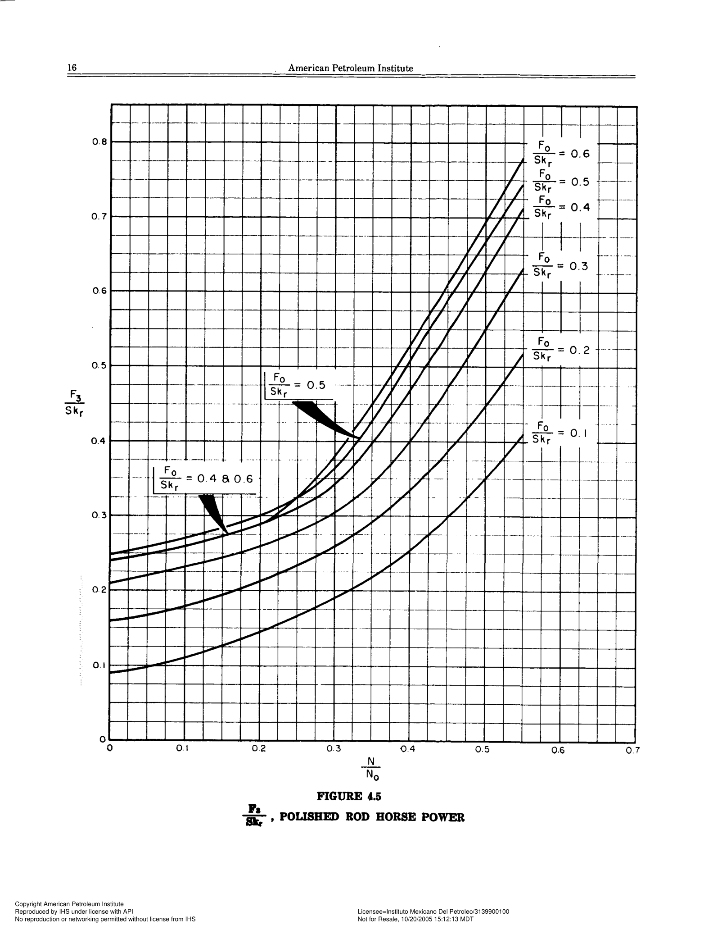
Curva 0.1
Punto | x | y | m | b | ecuación | intervalo | switch | variable
1 | 0 | 0.09 | 0.16 | 0.09 | y=0.16*x+0.09 | [0, 0.05) | if 0<=x<0.05:y=0.16*x+0.09 | x
 | Curva 0.1 |  | Curva 0.2 |  | Curva 0.3 |  | Curva 0.4 |  | Punto 0.5 |  | Punto 0.6
0 | 0.09 | 0 | 0.159 | 0 | 0.21 | 0 | 0.24 | 0 | 0.25 | 0 | 0.24
0.05 | 0.098 | 0.05 | 0.168 | 0.05 | 0.221 | 0.05 | 0.249 | 0.025 | 0.254 | 0.05 | 0.249
0.1 | 0.11 | 0.1 | 0.179 | 0.1 | 0.232 | 0.075 | 0.254 | 0.05 | 0.26 | 0.075 | 0.254
0.15 | 0.127 | 0.15 | 0.194 | 0.15 | 0.244 | 0.1 | 0.26 | 0.075 | 0.264 | 0.1 | 0.26
0.2 | 0.145 | 0.2 | 0.212 | 0.2 | 0.26 | 0.125 | 0.266 | 0.1 | 0.271 | 0.125 | 0.266
0.25 | 0.166 | 0.225 | 0.223 | 0.225 | 0.268 | 0.15 | 0.272 | 0.125 | 0.277 | 0.15 | 0.272
0.3 | 0.19 | 0.25 | 0.233 | 0.25 | 0.28 | 0.175 | 0.281 | 0.15 | 0.284 | 0.175 | 0.281
0.325 | 0.203 | 0.3 | 0.26 | 0.3 | 0.303 | 0.2 | 0.288 | 0.175 | 0.291 | 0.2 | 0.288
0.35 | 0.218 | 0.35 | 0.291 | 0.35 | 0.342 | 0.225 | 0.298 | 0.2 | 0.3 | 0.225 | 0.305
0.4 | 0.252 | 0.4 | 0.333 | 0.4 | 0.4 | 0.25 | 0.31 | 0.225 | 0.311 | 0.25 | 0.324
0.45 | 0.297 | 0.45 | 0.383 | 0.425 | 0.433 | 0.275 | 0.323 | 0.25 | 0.324 | 0.3 | 0.38
0.475 | 0.322 | 0.5 | 0.444 | 0.45 | 0.47 | 0.3 | 0.341 | 0.275 | 0.34 | 0.35 | 0.45
0.5 | 0.347 | 0.525 | 0.478 | 0.475 | 0.508 | 0.325 | 0.367 | 0.3 | 0.362 | 0.4 | 0.525
0.525 | 0.376 | 0.55 | 0.514 | 0.5 | 0.547 | 0.35 | 0.397 | 0.325 | 0.392 | 0.5 | 0.69
0.55 | 0.407 |  |  | 0.525 | 0.587 | 0.375 | 0.431 | 0.35 | 0.427 | 0.55 | 0.772
 |  |  |  | 0.55 | 0.627 | 0.4 | 0.467 | 0.375 | 0.466
 |  |  |  |  |  | 0.425 | 0.504 | 0.385 | 0.482
 |  |  |  |  |  | 0.45 | 0.543 | 0.4 | 0.506
 |  |  |  |  |  | 0.475 | 0.583 | 0.425 | 0.547
 |  |  |  |  |  | 0.5 | 0.624 | 0.45 | 0.587
 |  |  |  |  |  | 0.525 | 0.665 | 0.475 | 0.626
 |  |  |  |  |  | 0.55 | 0.707 | 0.5 | 0.663
 |  |  |  |  |  |  |  | 0.525 | 0.702
 |  |  |  |  |  |  |  | 0.55 | 0.74
2 | 0.05 | 0.098 | 0.24 | 0.086 | y=0.24*x+0.086 | [0.05, 0.1) | elif 0.05<=x<0.1:y=0.24*x+0.086 | x
3 | 0.1 | 0.11 | 0.34 | 0.076 | y=0.34*x+0.076 | [0.1, 0.15) | elif 0.1<=x<0.15:y=0.34*x+0.076 | x
4 | 0.15 | 0.127 | 0.36 | 0.073 | y=0.36*x+0.073 | [0.15, 0.2) | elif 0.15<=x<0.2:y=0.36*x+0.073 | x
5 | 0.2 | 0.145 | 0.42 | 0.061 | y=0.42*x+0.061 | [0.2, 0.25) | elif 0.2<=x<0.25:y=0.42*x+0.061 | x
6 | 0.25 | 0.166 | 0.48 | 0.046 | y=0.48*x+0.046 | [0.25, 0.3) | elif 0.25<=x<0.3:y=0.48*x+0.046 | x
7 | 0.3 | 0.19 | 0.52 | 0.034 | y=0.52*x+0.034 | [0.3, 0.325) | elif 0.3<=x<0.325:y=0.52*x+0.034 | x
8 | 0.325 | 0.203 | 0.6 | 0.008 | y=0.6*x+0.008 | [0.325, 0.35) | elif 0.325<=x<0.35:y=0.6*x+0.008 | x
9 | 0.35 | 0.218 | 0.68 | -0.02 | y=0.68*x-0.02 | [0.35, 0.4) | elif 0.35<=x<0.4:y=0.68*x-0.02 | x
10 | 0.4 | 0.252 | 0.9 | -0.108 | y=0.9*x-0.108 | [0.4, 0.45) | elif 0.4<=x<0.45:y=0.9*x-0.108 | x
11 | 0.45 | 0.297 | 1 | -0.153 | y=1*x-0.153 | [0.45, 0.475) | elif 0.45<=x<0.475:y=1*x-0.153 | x
12 | 0.475 | 0.322 | 1 | -0.153 | y=1*x-0.153 | [0.475, 0.5) | elif 0.475<=x<0.5:y=1*x-0.153 | x
13 | 0.5 | 0.347 | 1.16 | -0.233 | y=1.16*x-0.233 | [0.5, 0.525) | elif 0.5<=x<0.525:y=1.16*x-0.233 | x
14 | 0.525 | 0.376 | 1.24 | -0.275 | y=1.24*x-0.275 | [0.525, 0.55) | elif 0.525<=x<0.55:y=1.24*x-0.275 | x
15 | 0.55 | 0.407

Curva 0.2
Punto | x | y | m | b | ecuación | intervalo | switch | variable
1 | 0 | 0.159 | 0.18 | 0.159 | y=0.18*x+0.159 | [0, 0.05) | if 0<=x<0.05:y=0.18*x+0.159 | x
2 | 0.05 | 0.168 | 0.22 | 0.157 | y=0.22*x+0.157 | [0.05, 0.1) | elif 0.05<=x<0.1:y=0.22*x+0.157 | x
3 | 0.1 | 0.179 | 0.3 | 0.149 | y=0.3*x+0.149 | [0.1, 0.15) | elif 0.1<=x<0.15:y=0.3*x+0.149 | x
4 | 0.15 | 0.194 | 0.36 | 0.14 | y=0.36*x+0.14 | [0.15, 0.2) | elif 0.15<=x<0.2:y=0.36*x+0.14 | x
5 | 0.2 | 0.212 | 0.44 | 0.124 | y=0.44*x+0.124 | [0.2, 0.225) | elif 0.2<=x<0.225:y=0.44*x+0.124 | x
6 | 0.225 | 0.223 | 0.4 | 0.133 | y=0.4*+0.133 | [0.225, 0.25) | elif 0.225<=x<0.25:y=0.4*+0.133
7 | 0.25 | 0.233 | 0.54 | 0.098 | y=0.54*x+0.098 | [0.25, 0.3) | elif 0.25<=x<0.3:y=0.54*x+0.098 | x
8 | 0.3 | 0.26 | 0.62 | 0.074 | y=0.62*x+0.074 | [0.3, 0.35) | elif 0.3<=x<0.35:y=0.62*x+0.074 | x
9 | 0.35 | 0.291 | 0.84 | -0.003 | y=0.84*x-0.003 | [0.35, 0.4) | elif 0.35<=x<0.4:y=0.84*x-0.003 | x
10 | 0.4 | 0.333 | 1 | -0.067 | y=1*x-0.067 | [0.4, 0.45) | elif 0.4<=x<0.45:y=1*x-0.067 | x
11 | 0.45 | 0.383 | 1.22 | -0.166 | y=1.22*x-0.166 | [0.45, 0.5) | elif 0.45<=x<0.5:y=1.22*x-0.166 | x
12 | 0.5 | 0.444 | 1.36 | -0.236 | y=1.36*x-0.236 | [0.5, 0.525) | elif 0.5<=x<0.525:y=1.36*x-0.236 | x
13 | 0.525 | 0.478 | 1.44 | -0.278 | y=1.44*x-0.278 | [0.525, 0.55) | elif 0.525<=x<0.55:y=1.44*x-0.278 | x
14 | 0.55 | 0.514

Curva 0.3
Punto | x | y | m | b | ecuación | intervalo | switch | variable
1 | 0 | 0.21 | 0.22 | 0.21 | y=0.22*x+0.21 | [0, 0.05) | if 0<=x<0.05:y=0.22*x+0.21 | x
2 | 0.05 | 0.221 | 0.22 | 0.21 | y=0.22*x+0.21 | [0.05, 0.1) | elif 0.05<=x<0.1:y=0.22*x+0.21 | x
3 | 0.1 | 0.232 | 0.24 | 0.208 | y=0.24*x+0.208 | [0.1, 0.15) | elif 0.1<=x<0.15:y=0.24*x+0.208 | x
4 | 0.15 | 0.244 | 0.32 | 0.196 | y=0.32*x+0.196 | [0.15, 0.2) | elif 0.15<=x<0.2:y=0.32*x+0.196 | x
5 | 0.2 | 0.26 | 0.32 | 0.196 | y=0.32*x+0.196 | [0.2, 0.225) | elif 0.2<=x<0.225:y=0.32*x+0.196 | x
6 | 0.225 | 0.268 | 0.48 | 0.16 | y=0.48*x+0.16 | [0.225, 0.25) | elif 0.225<=x<0.25:y=0.48*x+0.16 | x
7 | 0.25 | 0.28 | 0.46 | 0.165 | y=0.46*x+0.165 | [0.25, 0.3) | elif 0.25<=x<0.3:y=0.46*x+0.165 | x
8 | 0.3 | 0.303 | 0.78 | 0.069 | y=0.78*x+0.069 | [0.3, 0.35) | elif 0.3<=x<0.35:y=0.78*x+0.069 | x
9 | 0.35 | 0.342 | 1.16 | -0.064 | y=1.16*x-0.064 | [0.35, 0.4) | elif 0.35<=x<0.4:y=1.16*x-0.064 | x
10 | 0.4 | 0.4 | 1.32 | -0.128 | y=1.32*x-0.128 | [0.4, 0.425) | elif 0.4<=x<0.425:y=1.32*x-0.128 | x
11 | 0.425 | 0.433 | 1.48 | -0.196 | y=1.48*x-0.196 | [0.425, 0.45) | elif 0.425<=x<0.45:y=1.48*x-0.196 | x
12 | 0.45 | 0.47 | 1.52 | -0.214 | y=1.52*x-0.214 | [0.45, 0.475) | elif 0.45<=x<0.475:y=1.52*x-0.214 | x
13 | 0.475 | 0.508 | 1.56 | -0.233 | y=1.56*x-0.233 | [0.475, 0.5) | elif 0.475<=x<0.5:y=1.56*x-0.233 | x
14 | 0.5 | 0.547 | 1.6 | -0.253 | y=1.6*x-0.253 | [0.5, 0.525) | elif 0.5<=x<0.525:y=1.6*x-0.253 | x
15 | 0.525 | 0.587 | 1.6 | -0.253 | y=1.6*x-0.253 | [0.525, 0.55) | elif 0.525<=x<0.55:y=1.6*x-0.253 | x
16 | 0.55 | 0.627

Curva 0.4
Punto | x | y | m | b | ecuación | intervalo | switch | variable
1 | 0 | 0.24 | 0.18 | 0.24 | y=0.18*x+0.24 | [0, 0.05) | if 0<=x<0.05:y=0.18*x+0.24 | x
2 | 0.05 | 0.249 | 0.2 | 0.239 | y=0.2*x+0.239 | [0.05, 0.075) | elif 0.05<=x<0.075:y=0.2*x+0.239 | x
3 | 0.075 | 0.254 | 0.24 | 0.236 | y=0.24*x+0.236 | [0.075, 0.1) | elif 0.075<=x<0.1:y=0.24*x+0.236 | x
4 | 0.1 | 0.26 | 0.24 | 0.236 | y=0.24*x+0.236 | [0.1, 0.125) | elif 0.1<=x<0.125:y=0.24*x+0.236 | x
5 | 0.125 | 0.266 | 0.24 | 0.236 | y=0.24*x+0.236 | [0.125, 0.15) | elif 0.125<=x<0.15:y=0.24*x+0.236 | x
6 | 0.15 | 0.272 | 0.36 | 0.218 | y=0.36*x+0.218 | [0.15, 0.175) | elif 0.15<=x<0.175:y=0.36*x+0.218 | x
7 | 0.175 | 0.281 | 0.28 | 0.232 | y=0.28*x+0.232 | [0.175, 0.2) | elif 0.175<=x<0.2:y=0.28*x+0.232 | x
8 | 0.2 | 0.288 | 0.4 | 0.208 | y=0.4*x+0.208 | [0.2, 0.225) | elif 0.2<=x<0.225:y=0.4*x+0.208 | x
9 | 0.225 | 0.298 | 0.48 | 0.19 | y=0.48*x+0.19 | [0.225, 0.25) | elif 0.225<=x<0.25:y=0.48*x+0.19 | x
10 | 0.25 | 0.31 | 0.52 | 0.18 | y=0.52*x+0.18 | [0.25, 0.275) | elif 0.25<=x<0.275:y=0.52*x+0.18 | x
 | 0.275 | 0.323 | 0.72 | 0.125 | y=0.72*x+0.125 | [0.275, 0.3) | elif 0.275<=x<0.3:y=0.72*x+0.125 | x
11 | 0.3 | 0.341 | 1.04 | 0.029 | y=1.04*x+0.029 | [0.3, 0.325) | elif 0.3<=x<0.325:y=1.04*x+0.029 | x
12 | 0.325 | 0.367 | 1.2 | -0.023 | y=1.2*x-0.023 | [0.325, 0.35) | elif 0.325<=x<0.35:y=1.2*x-0.023 | x
13 | 0.35 | 0.397 | 1.36 | -0.079 | y=1.36*x-0.079 | [0.35, 0.375) | elif 0.35<=x<0.375:y=1.36*x-0.079 | x
14 | 0.375 | 0.431 | 1.44 | -0.109 | y=1.44*x-0.109 | [0.375, 0.4) | elif 0.375<=x<0.4:y=1.44*x-0.109 | x
15 | 0.4 | 0.467 | 1.48 | -0.125 | y=1.48*x-0.125 | [0.4, 0.425) | elif 0.4<=x<0.425:y=1.48*x-0.125 | x
16 | 0.425 | 0.504 | 1.56 | -0.159 | y=1.56*x-0.159 | [0.425, 0.45) | elif 0.425<=x<0.45:y=1.56*x-0.159 | x
17 | 0.45 | 0.543 | 1.6 | -0.177 | y=1.6*x-0.177 | [0.45, 0.475) | elif 0.45<=x<0.475:y=1.6*x-0.177 | x
18 | 0.475 | 0.583 | 1.64 | -0.196 | y=1.64*x-0.196 | [0.475, 0.5) | elif 0.475<=x<0.5:y=1.64*x-0.196 | x
19 | 0.5 | 0.624 | 1.64 | -0.196 | y=1.64*x-0.196 | [0.5, 0.525) | elif 0.5<=x<0.525:y=1.64*x-0.196 | x
20 | 0.525 | 0.665 | 1.68 | -0.217 | y=1.68*x-0.217 | [0.525, 0.55) | elif 0.525<=x<0.55:y=1.68*x-0.217 | x
21 | 0.55 | 0.707

Punto 0.5
Punto | x | y | m | b | ecuación | intervalo | switch | variable
1 | 0 | 0.25 | 0.16 | 0.25 | y=0.16*x+0.25 | [0, 0.025) | if 0<=x<0.025:y=0.16*x+0.25 | x
2 | 0.025 | 0.254 | 0.24 | 0.248 | y=0.24*x+0.248 | [0.025, 0.05) | elif 0.025<=x<0.05:y=0.24*x+0.248 | x
3 | 0.05 | 0.26 | 0.16 | 0.252 | y=0.16*x+0.252 | [0.05, 0.075) | elif 0.05<=x<0.075:y=0.16*x+0.252 | x
4 | 0.075 | 0.264 | 0.28 | 0.243 | y=0.28*x+0.243 | [0.075, 0.1) | elif 0.075<=x<0.1:y=0.28*x+0.243 | x
5 | 0.1 | 0.271 | 0.24 | 0.247 | y=0.24*x+0.247 | [0.1, 0.125) | elif 0.1<=x<0.125:y=0.24*x+0.247 | x
6 | 0.125 | 0.277 | 0.28 | 0.242 | y=0.28*x+0.242 | [0.125, 0.15) | elif 0.125<=x<0.15:y=0.28*x+0.242 | x
7 | 0.15 | 0.284 | 0.28 | 0.242 | y=0.28*x+0.242 | [0.15, 0.175) | elif 0.15<=x<0.175:y=0.28*x+0.242 | x
8 | 0.175 | 0.291 | 0.36 | 0.228 | y=0.36*x+0.228 | [0.175, 0.2) | elif 0.175<=x<0.2:y=0.36*x+0.228 | x
9 | 0.2 | 0.3 | 0.44 | 0.212 | y=0.44*x+0.212 | [0.2, 0.225) | elif 0.2<=x<0.225:y=0.44*x+0.212 | x
10 | 0.225 | 0.311 | 0.52 | 0.194 | y=0.52*x+0.194 | [0.225, 0.25) | elif 0.225<=x<0.25:y=0.52*x+0.194 | x
11 | 0.25 | 0.324 | 0.64 | 0.164 | y=0.64*x+0.164 | [0.25, 0.275) | elif 0.25<=x<0.275:y=0.64*x+0.164 | x
12 | 0.275 | 0.34 | 0.88 | 0.098 | y=0.88*x+0.098 | [0.275, 0.3) | elif 0.275<=x<0.3:y=0.88*x+0.098 | x
13 | 0.3 | 0.362 | 1.2 | 0.002 | y=1.2*x+0.002 | [0.3, 0.325) | elif 0.3<=x<0.325:y=1.2*x+0.002 | x
14 | 0.325 | 0.392 | 1.4 | -0.063 | y=1.4*x-0.063 | [0.325, 0.35) | elif 0.325<=x<0.35:y=1.4*x-0.063 | x
15 | 0.35 | 0.427 | 1.56 | -0.119 | y=1.56*x-0.119 | [0.35, 0.375) | elif 0.35<=x<0.375:y=1.56*x-0.119 | x
16 | 0.375 | 0.466 | 1.6 | -0.134 | y=1.6*x-0.134 | [0.375, 0.385) | elif 0.375<=x<0.385:y=1.6*x-0.134 | x
17 | 0.385 | 0.482 | 1.6 | -0.134 | y=1.6*x-0.134 | [0.385, 0.4) | elif 0.385<=x<0.4:y=1.6*x-0.134 | x
18 | 0.4 | 0.506 | 1.64 | -0.15 | y=1.64*x-0.15 | [0.4, 0.425) | elif 0.4<=x<0.425:y=1.64*x-0.15 | x
19 | 0.425 | 0.547 | 1.6 | -0.133 | y=1.6*x-0.133 | [0.425, 0.45) | elif 0.425<=x<0.45:y=1.6*x-0.133 | x
20 | 0.45 | 0.587 | 1.56 | -0.115 | y=1.56*x-0.115 | [0.45, 0.475) | elif 0.45<=x<0.475:y=1.56*x-0.115 | x
21 | 0.475 | 0.626 | 1.48 | -0.077 | y=1.48*x-0.077 | [0.475, 0.5) | elif 0.475<=x<0.5:y=1.48*x-0.077 | x
22 | 0.5 | 0.663 | 1.56 | -0.117 | y=1.56*x-0.117 | [0.5, 0.525) | elif 0.5<=x<0.525:y=1.56*x-0.117 | x
23 | 0.525 | 0.702 | 1.52 | -0.096 | y=1.52*x-0.096 | [0.525, 0.55) | elif 0.525<=x<0.55:y=1.52*x-0.096 | x
24 | 0.55 | 0.74

Punto 0.6
Punto | x | y | m | b | ecuación | intervalo | switch | variable
1 | 0 | 0.24 | 0.18 | 0.24 | y=0.18*x+0.24 | [0, 0.05) | if 0<=x<0.05:y=0.18*x+0.24 | x
2 | 0.05 | 0.249 | 0.2 | 0.239 | y=0.2*x+0.239 | [0.05, 0.075) | elif 0.05<=x<0.075:y=0.2*x+0.239 | x
3 | 0.075 | 0.254 | 0.24 | 0.236 | y=0.24*x+0.236 | [0.075, 0.1) | elif 0.075<=x<0.1:y=0.24*x+0.236 | x
4 | 0.1 | 0.26 | 0.24 | 0.236 | y=0.24*x+0.236 | [0.1, 0.125) | elif 0.1<=x<0.125:y=0.24*x+0.236 | x
5 | 0.125 | 0.266 | 0.24 | 0.236 | y=0.24*x+0.236 | [0.125, 0.15) | elif 0.125<=x<0.15:y=0.24*x+0.236 | x
6 | 0.15 | 0.272 | 0.36 | 0.218 | y=0.36*x+0.218 | [0.15, 0.175) | elif 0.15<=x<0.175:y=0.36*x+0.218 | x
7 | 0.175 | 0.281 | 0.28 | 0.232 | y=0.28*x+0.232 | [0.175, 0.2) | elif 0.175<=x<0.2:y=0.28*x+0.232 | x
8 | 0.2 | 0.288 | 0.68 | 0.152 | y=0.68*x+0.152 | [0.2, 0.225) | elif 0.2<=x<0.225:y=0.68*x+0.152 | x
9 | 0.225 | 0.305 | 0.76 | 0.134 | y=0.76*x+0.134 | [0.225, 0.25) | elif 0.225<=x<0.25:y=0.76*x+0.134 | x
10 | 0.25 | 0.324 | 1.12 | 0.044 | y=1.12*x+0.044 | [0.25, 0.3) | elif 0.25<=x<0.3:y=1.12*x+0.044 | x
11 | 0.3 | 0.38 | 1.4 | -0.04 | y=1.4*x-0.04 | [0.3, 0.35) | elif 0.3<=x<0.35:y=1.4*x-0.04 | x
12 | 0.35 | 0.45 | 1.5 | -0.075 | y=1.5*x-0.075 | [0.35, 0.4) | elif 0.35<=x<0.4:y=1.5*x-0.075 | x
13 | 0.4 | 0.525 | 1.65 | -0.135 | y=1.65*x-0.135 | [0.4, 0.5) | elif 0.4<=x<0.5:y=1.65*x-0.135 | x
14 | 0.5 | 0.69 | 1.64 | -0.13 | y=1.64*x-0.13 | [0.5, 0.55) | elif 0.5<=x<0.55:y=1.64*x-0.13 | x
15 | 0.55 | 0.772

